Helsinki
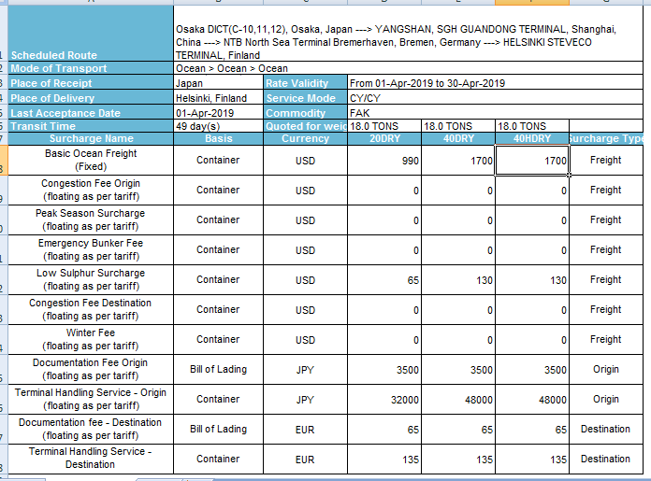
Helsinki |  | 2019-04-01 | 2019-04-01 | 2019-04-01
Finland
 |  | 40HC | 40HC | 20DRY
Configuration |  | 3 | 2 | 2
USD
Container Freight |  | 1,700.00 | 1,700.00 | 990.00
BAF
CAF
BUC (Bunker Contribution)
FAS (Emergency Bunker Surcharge)
THC |  | 436.36 | 436.36 | 290.91
Vanning |  | 727.27 | 727.27 | 454.55
Dray Charge
Transport Cost |  | 46.36 | 46.36 | 131.82
BL Fee |  | 56.82 | 56.82 | 56.82
Emergency Bunker Fee |  | - | - | -
ERS
SER
Low Sulphur Surcharge |  | 130.00 | 130.00 | 65.00
IMO
Total Freight |  | 1,886.82 | 1,886.82 | 1,111.82
Per unit |  | 628.94 | 943.41 | 555.91

Total Containerization |  | 1,210.00 | 1,210.00 | 877.27
Per unit |  | 403.33 | 605.00 | 438.64

Forex |  | 112.04 | 112.04 | 112.04
Forex Round up |  | 115.00 | 115.00 | 115.00
Forex Round down |  | 110.00 | 110.00 | 110.00

Containerization/unit |  | 47,000.00 | 70,000.00 | 51,000.00
Total Freight/unit |  | 73,000.00 | 109,000.00 | 64,000.00
 |  | 120,000.00 | 179,000.00 | 115,000.00

Total JPY |  | 360,000.00 | 358,000.00 | 230,000.00
rate | 126.5
Total EUR |  | 2,845.85 | 2,830.04 | 1,818.18

