Re-auction unit_inv#
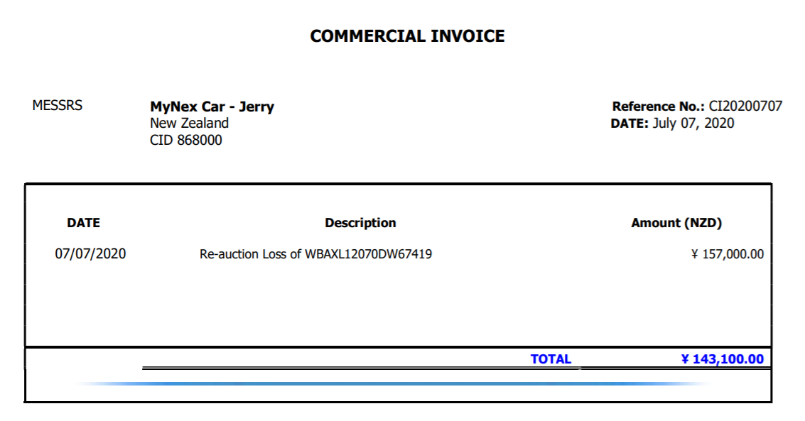
Chassis No | WBAXL12070DW67419

Sales Price | 935,000

Category |  | Description
Admin - Miscellaneous | $20,000.00 | Auction fee
Admin - Miscellaneous | $10,000.00 | Auction fee
Repairs | $129,000.00 | Auction fee
Price Purchase | $1,060,000.00
Transport - Inland Transport Origin | $2,200.00 | Transport
 | 1,221,200

Actual Loss | (286,200)

IBC | (143,100) | Costs are split into half
JERRY THE | (143,100) | Costs are split into half

