Karachi
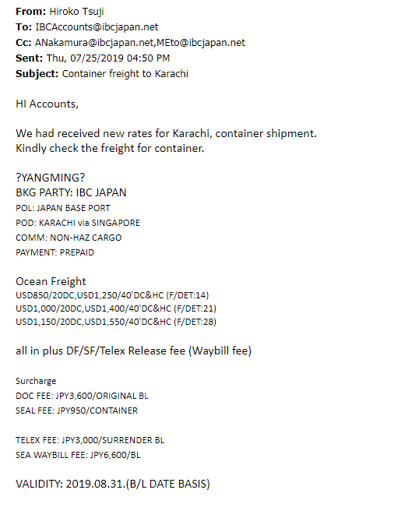
Pakistan | 2019-07-25 | 2019-07-25
Karachi
 | 40'HC | 20'HC
Configuration | 3 | 1
USD
Container Freight | 1,550.00 | 1,150.00
BAF
CAF
BUC (Bunker Contribution)
FAS (Emergency Bunker Surcharge)
THC | - | -
Vanning | 761.90 | 476.19
Dray Charge |  | 131.82
Transport Cost | 45.45
BL Fee | 34.29 | 34.29
CSF
Telex Release/Way bill |  | 97.14
Seal fee | 9.05 | 9.05
Piracy Risk Surcharge
Suez Canal Surcharge
Total | 1,593.33 | 1,290.48 | URJ202-4094469
Per unit | 531.11 | 1,290.48 | Freight inc. in Price | 138,660
 |  |  | Container Rate | 209,000
Total Containerization | 807.36 | 608.01 | Additional Freight Charge | (70,340)
Per unit | 269.12 | 608.01

Forex | 108.22 | 108.22
Forex Round up | 110.00 | 110.00
Forex Round down | 105.00 | 105.00

Containerization | 30,000.00 | 67,000.00

Asking
Total Freight | 59,000.00 | 142,000.00
FOB (<250,000, 400 every 10k increase) | 100,000.00 | 100,000.00
Market Scale | 159,000.00 | 242,000.00
Existing Market Scale
SIV
Total Freight | 59,000.00 | 142,000.00
FOB (<250,000, 400 every 10k increase) | 50,000.00 | 50,000.00
Market Scale | 109,000.00 | 192,000.00

iDirect
Total Freight | 89,000.00 | 209,000.00
FOB (<250,000, 10K increase every 250k increase) | 85,000.00 | 85,000.00
iDirect Scale | 174,000.00 | 294,000.00

